Final
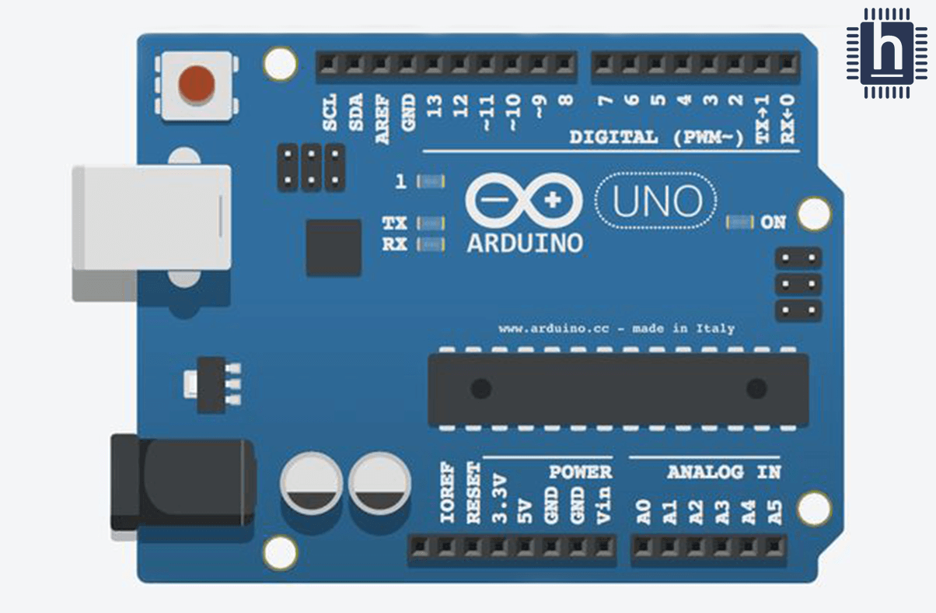
 |  |  |  |  |  |  |  | Shield du CAN
 |  |  |  |  |  |  |  | 7SEG
 |  |  |  |  |  |  |  | Bandeau LED
 |  |  |  |  |  |  |  | Carte Arriere
 |  |  |  |  |  |  |  | Lauch Control
 |  |  |  |  |  |  |  | Temperature/Voltage Switch

 |  |  |  |  | GND
 | IOREF |  |  |  | 13
 | RESET |  |  |  | 12 | H_PIN
 | 3.3V |  |  |  | 11
 | 5V |  |  |  | 10 | CAN0
 | GND |  |  |  | 9
 | GND |  |  |  | 8 | LC_LED_PIN
 | Vin |  |  |  | 7 | LC_SWITCH_PIN
 |  |  |  |  | 6 | N_PIN |  |  | z
 | A0 |  |  |  | 5 | CLOCKPIN
 | A1 |  |  |  | 4 | DATAPIN
 | A2 |  |  |  | 3 | TV_PIN
 | A3 |  |  |  | 2 | CAN0_INT
I2C_DATA | A4 |  |  |  | TX - 1
I2C_CLOCK | A5 |  |  |  | RX - 0

 |  | RESET | SCK | MISO
 |  | GND | MOSI | VCC

 |  |  |  |  |  |  | z

